Cover
TAYLOR COUNTY

Investment Portfolio Summary

For the Quarter Ending
2024-12-31

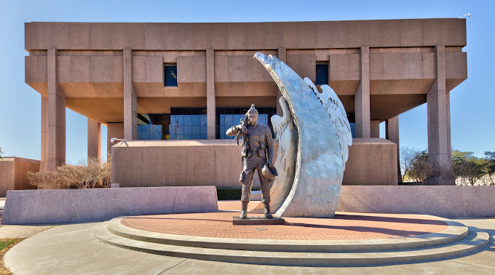

Recap Sheet
 |  |  | MARKET VALUE |  |  |  |  |  | MARKET VALUE
 |  |  | Sep-24 |  |  |  |  |  | Dec-24
 | TxPool/Prime |  | Agency |  |  |  | TxPool/Prime |  | Agency
 | Tx Range Daily & Select | Certificates of | Bonds | Texas Term |  |  | Tx Range Daily & Select | Certificates of | Bonds | Texas Term
 | Texas CLASS | Deposit | Tresury Bill/Notes | Comm. Paper | Totals |  | Texas CLASS | Deposit | Tresury Bill/Notes | Comm. Paper | Totals
 | Texas FIT |  |  |  |  |  | Texas FIT
General Fund | 19,002,313.30 | 2,700,520.91 | 3,935,851.60 | 10,000,000.00 | 35,638,685.81 | 52,275,058.32 | 37,253,638.49 | 2,695,601.26 | 2,991,073.88 | 10,356,673.97 | 53,296,987.60
American Rescue Plan Act | 12,913,624.48 |  |  |  | 12,913,624.48 |  | 10,787,226.63 |  |  |  | 10,787,226.63
Contingency Fund | 6,212.73 |  |  |  | 6,212.73 | 6,212.73 | 6,256.32 |  |  |  | 6,256.32
Capital Construction | 5,260.00 |  |  |  | 5,260.00 |  | 5,296.91 |  |  |  | 5,296.91
Courthouse Restoration | 5,061,953.03 |  |  |  | 5,061,953.03 |  | 3,094,917.71 |  |  |  | 3,094,917.71
Tobacco Settlement | 572,925.28 |  |  | 1,500,000.00 | 2,072,925.28 | 3,572,925.28 | 513,988.82 |  |  | 1,553,501.10 | 2,067,489.92
Microfilm Restricted | 2,473,231.27 |  |  | 1,000,000.00 | 3,473,231.27 | 4,473,231.27 | 2,654,957.48 |  |  | 1,035,667.40 | 3,690,624.88
Road & Bridge | 2,619,439.20 |  |  |  | 2,619,439.20 | 2,619,439.20 | 1,467,123.90 |  |  |  | 1,467,123.90
DA Special | 77,099.84 |  |  |  | 77,099.84 | 77,099.84 | 78,250.43 |  |  |  | 78,250.43
Restricted Funds | 1,785,819.60 |  |  |  | 1,785,819.60 | 1,785,819.60 | 1,905,509.42 |  |  |  | 1,905,509.42
Self Insurance | 141,141.18 |  |  |  | 141,141.18 | 141,141.18 | 61,259.29 |  |  |  | 61,259.29
Employee Benefit | 623,368.31 |  |  |  | 623,368.31 | 623,368.31 | 1,473,218.38 |  |  |  | 1,473,218.38
Errors & Omissions | 1,097,783.79 |  |  |  | 1,097,783.79 | 1,097,783.79 | 1,105,621.54 |  |  |  | 1,105,621.54
Sinking Funds | 2,372,263.10 |  |  |  | 2,372,263.10 | 2,372,263.10 | 3,496,061.79 |  |  |  | 3,496,061.79
All Other Funds | 11,028,444.65 |  |  |  | 11,028,444.65 | 11,028,444.65 | 17,273,867.38 |  |  |  | 17,273,867.38
 |  |  |  |  |  | -
Totals | 59,780,879.76 | 2,700,520.91 | 3,935,851.60 | 12,500,000.00 | 78,917,252.27 | 80,072,787.27 | 81,177,194.49 | 2,695,601.26 | 2,991,073.88 | 12,945,842.47 | 99,809,712.10

Net Change |  |  |  |  |  |  | 21,396,314.73 | (4,919.65) | (944,777.72) | 445,842.47 | 20,892,459.83
Diversification of Market Value
Diversification of Market Value

 |  |  |  | 1. Liquid Cash |  |  |  |  |  | 1. Liquid Cash
 |  |  |  | 2 .C.D.'s |  |  |  |  |  | 2. C.D.'s
 |  |  |  | 3. Agency |  |  |  |  |  | 3 Agency
 |  |  |  | 4 Commercial Paper |  |  |  |  |  | 4 Commercial Paper

