Cover
TAYLOR COUNTY

Investment Portfolio Summary

For the Quarter Ending
2025-03-31

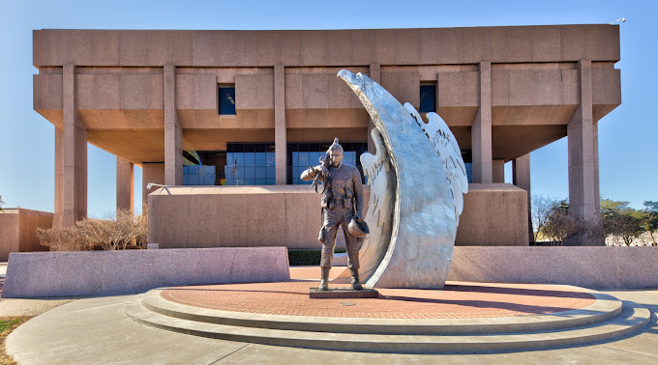

Recap Sheet
 |  |  | MARKET VALUE |  |  |  |  |  | MARKET VALUE
 |  |  | Dec-24 |  |  |  |  |  | Mar-25
 | TxPool/Prime |  | Agency |  |  |  | TxPool/Prime |  | Agency
 | Tx Range Daily & Select | Certificates of | Bonds | Texas Term |  |  | Tx Range Daily & Select | Certificates of | Bonds | Texas Term
 | Texas CLASS | Deposit | Tresury Bill/Notes | Comm. Paper | Totals |  | Texas CLASS | Deposit | Tresury Bill/Notes | Comm. Paper | Totals
 | Texas FIT |  |  |  |  |  | Texas FIT
General Fund | 37,253,638.49 | 2,695,601.26 | 2,991,073.88 | 10,356,673.97 | 53,296,987.60 | 69,340,336.71 | 44,604,790.61 | 1,952,551.97 | 5,032,931.58 | 10,356,673.97 | 61,946,948.13
American Rescue Plan Act | 10,787,226.63 |  |  |  | 10,787,226.63 |  | 10,235,095.71 |  |  |  | 10,235,095.71
Contingency Fund | 6,256.32 |  |  |  | 6,256.32 | 6,256.32 | 6,298.30 |  |  |  | 6,298.30
Capital Construction | 5,296.91 |  |  |  | 5,296.91 |  | 5,332.45 |  |  |  | 5,332.45
Courthouse Restoration | 3,094,917.71 |  |  |  | 3,094,917.71 |  | 2,872,888.62 |  |  |  | 2,872,888.62
Tobacco Settlement | 513,988.82 |  |  | 1,553,501.10 | 2,067,489.92 | 3,620,991.02 | 454,665.42 |  |  | 1,553,501.10 | 2,008,166.52
Microfilm Restricted | 2,654,957.48 |  |  | 1,035,667.40 | 3,690,624.88 | 4,726,292.28 | 2,795,658.09 |  |  | 1,035,667.40 | 3,831,325.49
Road & Bridge | 1,467,123.90 |  |  |  | 1,467,123.90 | 1,467,123.90 | 1,322,872.50 |  |  |  | 1,322,872.50
DA Special | 78,250.43 |  |  |  | 78,250.43 | 78,250.43 | 79,339.36 |  |  |  | 79,339.36
Restricted Funds | 1,905,509.42 |  |  |  | 1,905,509.42 | 1,905,509.42 | 1,957,174.77 |  |  |  | 1,957,174.77
Self Insurance | 61,259.29 |  |  |  | 61,259.29 | 61,259.29 | 185,721.72 |  |  |  | 185,721.72
Employee Benefit | 1,473,218.38 |  |  |  | 1,473,218.38 | 1,473,218.38 | 938,280.48 |  |  |  | 938,280.48
Errors & Omissions | 1,105,621.54 |  |  |  | 1,105,621.54 | 1,105,621.54 | 1,113,189.30 |  |  |  | 1,113,189.30
Sinking Funds | 3,496,061.79 |  |  |  | 3,496,061.79 | 3,496,061.79 | 2,731,483.89 |  |  |  | 2,731,483.89
All Other Funds | 17,273,867.38 |  |  |  | 17,273,867.38 | 17,273,867.38 | 20,167,651.91 |  |  |  | 20,167,651.91
 |  |  |  |  |  | -
Totals | 81,177,194.49 | 2,695,601.26 | 2,991,073.88 | 12,945,842.47 | 99,809,712.10 | 104,554,788.46 | 89,470,443.13 | 1,952,551.97 | 5,032,931.58 | 12,945,842.47 | 109,401,769.15

Net Change |  |  |  |  |  |  | 8,293,248.64 | (743,049.29) | 2,041,857.70 | - | 9,592,057.05
Diversification of Market Value
Diversification of Market Value

 |  |  |  | 1. Liquid Cash |  |  |  |  |  | 1. Liquid Cash

 |  |  |  | 2. C.D.'s |  |  |  |  |  | 2. C.D.'s

 |  |  |  | 3 Agency |  |  |  |  |  | 3 Agency

 |  |  |  | 4 Commercial Paper |  |  |  |  |  | 4 Commercial Paper

