Cover
TAYLOR COUNTY

Investment Portfolio Summary

For the Quarter Ending
2025-09-30

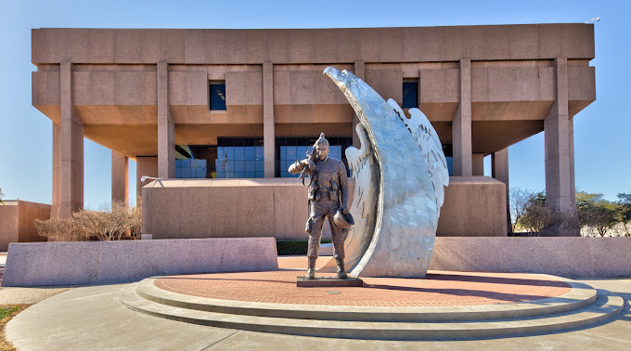

Recap Sheet
 |  |  | MARKET VALUE |  |  |  |  |  | MARKET VALUE
 |  |  | Jun-25 |  |  |  |  |  | Sep-25
 | FFIN |  |  |  |  |  | FFIN
 | TxPool/Prime |  | Agency |  |  |  | TxPool/Prime |  | Agency
 | Tx Range Daily & Select | Certificates of | Bonds | Texas Term |  |  | Tx Range Daily & Select | Certificates of | Bonds | Texas Term
 | Texas CLASS | Deposit | Tresury Bill/Notes | Comm. Paper | Totals |  | Texas CLASS | Deposit | Tresury Bill/Notes | Comm. Paper | Totals
 | Texas FIT |  |  |  |  |  | Texas FIT
General Fund | 27,574,859.33 | 2,688,249.90 | 6,035,516.40 | 10,356,673.97 | 46,655,299.60 | 65,735,739.87 | 27,497,934.09 | 1,963,512.40 | 5,169,213.00 | - | 34,630,659.49
American Rescue Plan Act | 8,398,092.07 |  |  |  | 8,398,092.07 |  | 5,741,688.15 |  |  |  | 5,741,688.15
Contingency Fund | 6,342.07 |  |  |  | 6,342.07 | 6,342.07 | 6,384.84 |  |  |  | 6,384.84
Capital Construction | 5,369.51 |  |  |  | 5,369.51 |  | 5,405.72 |  |  |  | 5,405.72
Certificates of Obligation, Series 2025 | 11,640,964.70 |  |  |  | 11,640,964.70 |  | 9,935,145.14 |  |  |  | 9,935,145.14
Courthouse Restoration | 2,073,032.18 |  |  |  | 2,073,032.18 |  | 1,761,886.85 |  |  |  | 1,761,886.85
Tobacco Settlement | 720,045.53 |  |  | 1,553,501.10 | 2,273,546.63 | 3,827,047.73 | 2,266,786.47 |  |  | - | 2,266,786.47
Microfilm Restricted | 3,008,166.41 |  |  | 1,035,667.40 | 4,043,833.81 | 5,079,501.21 | 4,215,683.67 |  |  | - | 4,215,683.67
Road & Bridge | 2,275,140.22 |  |  |  | 2,275,140.22 | 2,275,140.22 | 2,109,184.52 |  |  |  | 2,109,184.52
DA Special | 80,502.88 |  |  |  | 80,502.88 | 80,502.88 | 81,109.98 |  |  |  | 81,109.98
Restricted Funds | 1,975,506.93 |  |  |  | 1,975,506.93 | 1,975,506.93 | 2,117,029.98 |  |  |  | 2,117,029.98
Self Insurance | 118,382.00 |  |  |  | 118,382.00 | 118,382.00 | 17,440.43 |  |  |  | 17,440.43
Employee Benefit | 806,954.93 |  |  |  | 806,954.93 | 806,954.93 | 213,136.03 |  |  |  | 213,136.03
Errors & Omissions | 1,121,030.12 |  |  |  | 1,121,030.12 | 1,121,030.12 | 1,133,469.89 |  |  |  | 1,133,469.89
Sinking Funds | 2,978,993.35 |  |  |  | 2,978,993.35 | 2,978,993.35 | 2,069,089.46 |  |  |  | 2,069,089.46
All Other Funds | 17,508,152.23 |  |  |  | 17,508,152.23 | 17,508,152.23 | 38,027,396.09 |  |  |  | 38,027,396.09
 |  |  |  |  |  | -
Totals | 80,291,534.46 | 2,688,249.90 | 6,035,516.40 | 12,945,842.47 | 101,961,143.23 | 101,513,293.54 | 97,198,771.31 | 1,963,512.40 | 5,169,213.00 | - | 104,331,496.71

Net Change |  |  |  |  |  |  | 16,907,236.85 | (724,737.50) | (866,303.40) | (12,945,842.47) | 2,370,353.48
Diversification of Market Value
Diversification of Market Value

 |  |  |  | 1. Liquid Cash |  |  |  |  |  | 1. Liquid Cash

 |  |  |  | 2. C.D.'s |  |  |  |  |  | 2. C.D.'s

 |  |  |  | 3 Agency |  |  |  |  |  | 3 Agency

 |  |  |  | 4 Commercial Paper |  |  |  |  |  | 4 Commercial Paper

